Discount
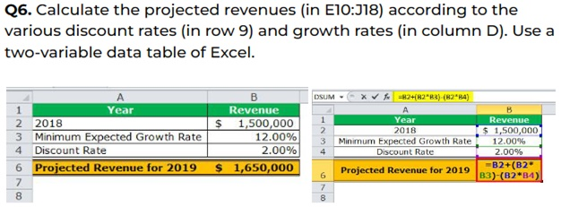

 | Discount Rate
$1,650,000 | 2.50% | 3.00% | 3.50% | 4.00% | 4.50% | 5.00%
12.50% | $1,815,000.00 | $1,806,750.00 | $1,798,500.00 | $1,790,250.00 | $1,782,000.00 | $1,773,750.00
13.50% | $1,831,500.00 | $1,823,250.00 | $1,815,000.00 | $1,806,750.00 | $1,798,500.00 | $1,790,250.00
14.50% | $1,848,000.00 | $1,839,750.00 | $1,831,500.00 | $1,823,250.00 | $1,815,000.00 | $1,806,750.00
15.50% | $1,864,500.00 | $1,856,250.00 | $1,848,000.00 | $1,839,750.00 | $1,831,500.00 | $1,823,250.00
16.50% | $1,881,000.00 | $1,872,750.00 | $1,864,500.00 | $1,856,250.00 | $1,848,000.00 | $1,839,750.00
17.50% | $1,897,500.00 | $1,889,250.00 | $1,881,000.00 | $1,872,750.00 | $1,864,500.00 | $1,856,250.00
18.50% | $1,914,000.00 | $1,905,750.00 | $1,897,500.00 | $1,889,250.00 | $1,881,000.00 | $1,872,750.00
19.50% | $1,930,500.00 | $1,922,250.00 | $1,914,000.00 | $1,905,750.00 | $1,897,500.00 | $1,889,250.00
20.50% | $1,947,000.00 | $1,938,750.00 | $1,930,500.00 | $1,922,250.00 | $1,914,000.00 | $1,905,750.00

CHAT WITH CONDITIONAL FORMATTIN
Year | Revenue
2010 | 50856
2011 | 33533
2012 | 36928
2013 | 40742
2014 | 62728
2015 | 34901

